🌀 Learn more about Coefficient
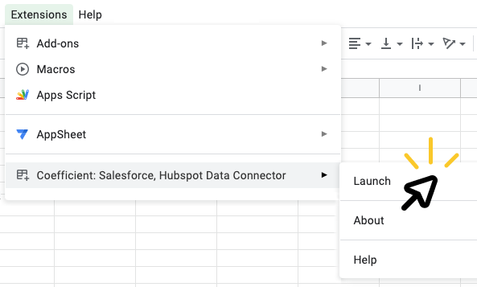
➊ | Install the Coefficient extension |  |  | ➋ | Launch Coefficient |  | ➌ | Connect your data!
 |  | 👈 |  |  | Click "Extensions" > "Coefficient" > "Launch" |  |  | Click "Import from..." then select the source you'd like to import data from. With a simple selector and prompts along the way, you'll pull your first data import in just 60 seconds.
 | In the popup window, click the "INSTALL" button Click “Continue” to accept permissions

 | 🎥 See how it works

 | ⚠️ If you run into an error, click here

#NAME? | #REF! |  | FALSE |  | Sales Reps Commissions | TRUE

